Cover Sheet
Deemed RACC Tool for Deemed Measure Packages
For Southern California Edison
Password protected |  | See password
Change log

Version | Date | Author | Changes
0 | 2021-07-29 | Solaris-Technical, LLC | Initial version, derived from SCE RACC Tool for Program Data
1.1 | 2021-08-26 | Solaris-Technical, LLC | Clarified source version of Refrigerant Calculator. Set GHG Adder to 2021 by default. Improved instructions & source references. Examples revised.

1.2 | 2021-10-07 | Solaris-Technical, LLC | Removed the mid-year discounting and discounting to the claim year so that the avoided costs for a normal replacement (NR) measure application type match the E3 Dashboard results
1.3 Rev4 | 2021-11-03 | Solaris-Technical, LLC | 1) Using the avoided cost calculation approach of Normal Replacement (NR) for Accelerated Replacement (AR) measure application type as an interim approach, until CPUC's refrigerant avoided cost calculator (RACC) is revised to include measure application types 2) As directed by E-5152, Attachment A, IOUs funding proportions based average weighted average cost of capital (WACC) will be used for calculating avoided costs for statewide measures. 3) Format changes Rev4
2.0 | 2023-04-24 | Solaris-Technical, LLC | 1) Aligned calculations with 2022 ACC Refrigerant Calculator updates by E3. This includes for example: (a) Improved handling of AR measures and nomenclature for measure/counterfactual timelines. Required additional inputs (existing equipment type, RUL, and EUL). (b) Output NPV costs in 2022 dollars, discounting for inflation. (c) Discounting annual leakage from midpoint of year. (d) Update GHG adder cost version to 2022 ACC. 2) Revised reporting fields for cost breakdown to align with measure/counterfactual timeline and existing/new device. 3) Disabled feature: refrigerant type defaulting. Added feature: user-specified device refrigerant charge and leakage. 4) Updated WACC values and weights for statewide average. 5) Added dropdown for technology group and normalizing units to avoid inapplicable comparisons.
2.0.1 | 2023-06-28 | Solaris-Technical, LLC | 1) Reverted accidental deletion of formulae for dropdown lists (columns I and J). Formulae only existed in rows 40 through 49; the rest of the table rows do not populate with TGIndex and TGRows values. Locked cells to prevent accidental deletion.
2.0.2a | 2023-07-13 | Solaris-Technical, LLC | 1) Annotated corresponding cell references for results columns in cover sheet.
2.0.2b | 2023-07-19 | DNV | 1) Fixed bug: EOL NPV formula for standard case fails to multiply by ([@[Std % of device lifetime during measure years]]+[@[Std % of device lifetime retired early]]). 2) Replaced "Refrigerant NPVCosts Net" with "Refrigerant NPV Avoided Costs". 3) Flagged unused named variable, Dropdown_RefrigTechMsr. 4) Flagged an issue with refrigerant charge lookup value for window/room/wall AC units (per ton). 5) Flagged a missing feature for entering fractional EUL/RUL values. 6) Applied conditional formatting to highlight cells that override lookup formulas with a hard-coded value (a.k.a. user specified). 7) Output blanks instead of N/A to minimize confusion to users. 8) Flagged an issue with limited refrigerant charge (lb/kBtuh) research across more manufacturers and refrigerants--including low GWP refrigerants. 9) Formulae only exist in rows 40 through 49; the rest of the table rows in columns I and J are blank and do not populate with TGIndex and TGRows values. These were fixed within this workbook.
2.1.0 | 2023-08-17 | Solaris-Technical, LLC | 1) Revised formulas refering to "Refrigerant NPV Avoided Costs" 2) Removed unused named variable, Dropdown_RefrigTechMsr. 3) Applied rounding for user input fractional EUL/RUL. 4) Revised refrigerant charge lookup for window/wall/room AC (lb/kBtuh) 5) Extend conditional formatting to user specified values entered through the sheet "User Specified Device Type." 6) Minor adjustments (output blanks, dropdown lists)
2.1.2 | 2023-08-25 | DNV | 1) On the "Deemed Dashboard" worksheet, combined Measure Existing (Pre) and Counterfactual Existing (Ext) input fields. 2) On the "Deemed Dashboard" worksheet, relocated the "TGIndex", "TGRows", "TG Rows (with blanks)", and "Workbook integrity check" columns to the far right of the table. 3) On the "Comment" worksheet, removed the no-longer-used array formula simulation region of cells.

Workbook sheets color coding
 |  | SCE calculator to support deemed measures
 |  | CPUC 2022 ACC Refrigerant Calculator v1b updated.xlsx

INTRODUCTION This effort provides an update to the Deemed Measure RACC Workbook (DRACC, previously Version 1.3-Rev4, adopted in 2021) that brings the tool into alignment with the 2022 ACC Refrigerant Calculator (v1b updated) as developed by E3 for CPUC and adopted through the IDERS proceedings. The main feature of the DRACC is the Deemed Dashboard worksheet. The Deemed Dashboard is based on the E3 RACC and adapted for use with measure packages in the following ways: • Includes device lookup table yielding refrigerant charge normalized by the unit specified in the related deemed measure package (e.g. per ton cooling). The table summarizes additional research that augments refrigerant charge lookups available from the E3 RACC. • Uses a statewide weighted average cost of capital (WACC) calculated using the IOU funding split of statewide energy programs. • For convenience when evaluating multiple measure offerings, includes tabular input and output. • Provides reporting fields for cost breakdown meant to interface with measure packages.

BACKGROUND The Refrigerant Avoided Cost Calculation (RACC) Tool for measure packages (deemed) is based on the Refrigerant Calculator from E3's Avoided Cost Calculator bundle. The deemed calculator extends the tool to allow for multiple measures in one worksheet (with no macros), among other improvements and changes discussed in the section "Adjustments to E3 Dashboard". The tool is intended to be used to satisfy the requirement per Resolution E-5152 (DEER 2023) that a measure package shall provide a RACC results workbook when required. Source versions GHG Adder, WACC, dollar year, inflation rate - CPUC 2022 ACC Refrigerant Calculator v1b updated.xlsx Output field names - Modified in 2023 / based on CPUC Resolution E-5152 CET field names - As of August 2021, unchanged in 2023 Terminology Measure case, counterfactual case - It may be helpful to view these as timelines rather than as pieces of equipment or modes of operation. The counterfactual timeline represents what would happen in the absence of the measure (a base case). The measure case and counterfactual case share a history up until the time the measure is implemented. The existing equipment description may be shared, but the interval in which it operates may differ between the measure case and counterfactual case. That is, in accelerated replacement (AR) applications, the counterfactual case includes the existing system being kept in place over its remaining useful life (RUL, also called the first baseline period), then the standard baseline system being implemented and kept in place. Msr,Std,Pre,Ext - The DRACC uses these labels as shorthand for the equipment/operations and time interval as follows. Msr = measure case, new equipment/operations (traditional measure case) Std = counterfactual case, new equipment/operations (standard base case) For AR applications: Pre = measure case, pre-existing equipment being replaced (existing base case) Ext = counterfactual case, existing equipment (inferred to b

USER GUIDE Go to the Deemed Dashboard worksheet and fill in the input fields (yellow fill-in-the-blank and orange dropdown) using data from the measure package. When there are multiple measure offerings with similar devices, it is sufficient to enter the unique combinations of device and lifecycle inputs. Save the workbook. Finally, find the results in the eTRM export worksheet. Deemed Dashboard The main user entry point is the Deemed Dashboard sheet. Here, the user will enter general inputs, followed by measure-specific inputs for each offering and measure application type(MAT). The outputs are the net NPV cost or benefit of each measure relative to its counterfactual and a cost breakdown described in greater detail below. * Based on a review of several measures involving fuel substitution, it appears that the refrigerant inventory per normalizing unit and emissions due to leakage depend on measure offering and MAT but will not typically depend on any additional independent variables (BldgLoc, BldgType, BldgVint, DeliveryType) used to index permutations. The measure application type, however, must be explicitly specified. General inputs: Measure installation year - Year when the measure is installed. Used to align GHG adder costs. Dollar Year - While this is typically the claim year, based on CPUC's guidance the avoided costs will be discounted to 2022 as in the E3 Dashboard. Used for inflation adjustment. GWP Time Horizon - Choose whether to use 20-year or 100-year GWP values. The default is 100-year GWP value. WACC selection - Used to look up weighted average cost of capital (WACC) for discounting/NPV. For statewide measure packages, this is locked to select a weighted average WACC where the weights are based on electric funding split for IOUs. Active WACC% - Based on the lookup value Measure specific inputs: Identifiers Index - Pre-filled row number. Measure Description - Enter any description to help distinguish between rows. For instance, "Res HP replacing A

USER-SPECIFIED DEVICE MODE When a pre-defined lookup is not available for a device, the user can select "User-specified" in the device type dropdown. To provide the specification for the device, enter the worksheet "User Specified Device Type". Find the row by its Index or Measure Description. Find the set of columns for the Msr/std/pre device and fill these columns: Refrigerant charge when fully charged (lbs), Annual refrigerant leakage rate (percentage of charge), End-of-life leakage rate (percentage of remaining charge, q_eol), Years without top-off before end-of-life (t_eol) Note that when device is not User-specified, the Deemed Dashboard will pull these from the predefined device lookup table. When specifying devices in this manner, the normalizing unit as well as any assumptions and data sources should be documented for review. For example, use a RACC Addendum to summarize additional research and analysis that used to identify. In addition, it may be useful to submit the representative refrigerant type, charge, and leakage profile to be included in a future update on the list of pre-defined devices. UPDATES TO PREDEFINED DEVICE TYPE LISTS When approved by CPUC, new data or revisions may be entered into the predefined device type table. The table will automatically resize to fit the data, and TechGroup and NormUnit lists will automatically update up to 30 categories. The admin user should unprotect the worksheet prior to making such changes and protect the sheet again prior to releasing the update.

DESCRIPTIONS OF WORKSHEETS eTRM export sheet was developed after discussion with the eTRM team. This tab is auto-populated by the tool. Predefined Device Types and Refrig Type Research 2021 To provide initial estimates for the advanced inputs, these sheets summarize some desktop research by the authors. For a handful of fuel substitution measures and each case (Pre, Std, and Msr), the table provides "default" values for refrigerant type, charge, and a lookup key for the Refrigerant Leakage parameters from the E3 RACC reference table. Essentially, this table adds an additional layer on top of the information contained in the E3 RACC, for specific deemed measures. Users of this tool are expected to obtain measure-specific research and confirm the defaults. "Future research to support improvements on the tool should be supported by program evaluators as opposed to Utilities." Advanced inputs requiring research include: Most common refrigerant - for a given technology, provides a default refrigerant. The set of products on the market for a given measure (or a baseline) may in practice include multiple refrigerants; however, this tool can only accommodate one selection each for Pre, Std, and Msr equipment on each row of the dashboard. Refrigerant charge (lbs) per normalizing unit - This information was not available from the lookups in the prior version of the tool. Constants - This sheet has no user inputs or outputs but is referenced in formulas. It should be hidden when releasing the tool for general use. The sheets that follow are borrowed from E3 Refrigerant Calculator: E3 Dashboard - shows how E3 calculates NPV from annual leakage and end-of-life leakage, as well as compares baseline and measure. This sheet is included only for review and comparison. It is not referenced by the Deemed Measure Dashboard and may be removed. ACC Inputs - contains the GHG Adder Coefficients that monetize emissions in each given year (in nominal dollars). This sheet is referenced by the

Output fields - NPV Costs or Benefits, and cost breakdown NPV cost breakdown RefrigerantNPVCostsMea RefrigerantNPVCostsStdBaseline RefrigerantNPVCostsPre RefrigerantNPVCostsExtBaseline What to expect from outputs (1) Each RefrigerantNPV field represents cost associated with emissions (priced according to ACC) from one piece of equipment during the analysis interval. These four figures represent costs, not benefits (avoided cost) nor relative comparison of measure and baseline. The "Std" and "Ext" labels represent devices in the counterfactual timeline, whereas the "Mea" label represents the measure case equipment in service (and the "Pre" is the pre-existing equipment). (2) For clarity, the general equation for net "Refrigerant NPV costs avoided" (which may be net negative or positive) is: "Refrigerant NPV costs avoided" = (RefrigerantNPVCostsStdBaseline + RefrigerantNPVCostsExtBaseline) - (RefrigerantNPVCostsMea + RefrigerantNPVCostsPre) Note that existing equipment ("Pre" and "Ext") is only included for accelerated replacement (AR) since the existing equipment is excluded from consideration for normal replacement and not applicable to new construction. Net cost or benefit (NPV) fields for CET UnitRefrigCosts UnitRefrigBens Only these two output fields are required by CET. The names are taken from the CET_GOOD.2021-07-14 example input file. The tool populates these output fields following these assumptions: (1) This equation relates the net costs to the output fields: "Refrigerant NPV costs avoided" = UnitRefrigBens - UnitRefrigCosts (2) Only one of the two fields will be populated with a non-zero, positive value, depending on whether the net refrigerant costs avoided are positive or negative for the measure.

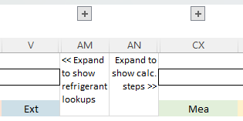 REVIEWING CALCULATIONS Release versions of the DRACC have intermediate calculations steps hidden in the Deemed Dashboard. To review intermediate calculation steps in the Deemed Dashboard, click the plus symbol icons to expand groups of columns.

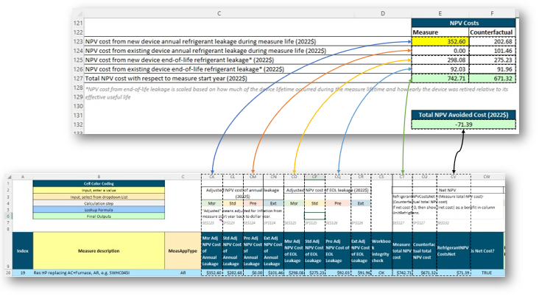 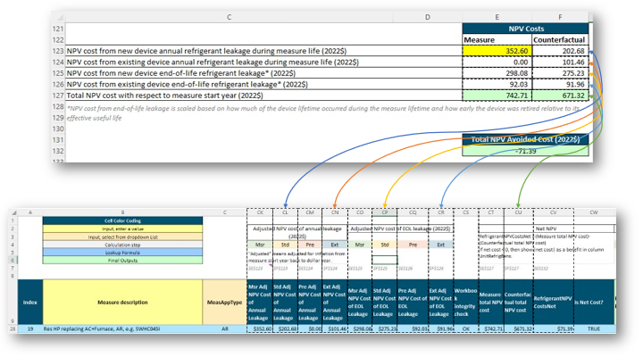 Correspondence between E3 RACC and DRACC For purposes of reviewing the calculation methodology and comparing results against the E3 RACC, the figures below show the corresponding output cells in the E3 RACC.

UPDATING THE WORKBOOK When updating the workbook, use password "DRACC2023" to protect sheets and prevent accidentally overwriting formulas. To update to a new ACC version, assume calculation methodology is unchanged, simply import the new worksheets to be referenced, and update the defined names that reference worksheets from the ACC. Defined names are updated through the Name Manager in the Formulas menu. These names include: GHG_Adder_Yr1 GHG_Adder_dollar_per_tonne ACC_Dollar_Year ACC_Inflation_Rate RefrigDropdownList GWP_Values_100_year_AR4 GWP_Values_20_year_AR4 Dropdown_Leakage_Device_Type q_ann q_EOL t_EOL

Back to top of worksheet

Statewide WACC
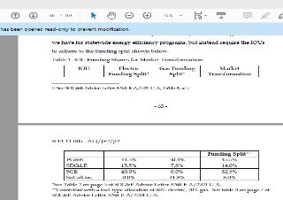
IOU and Statewide WACC summary

IOU | WACC (Nominal, after-tax)
PG&E | 7.34%
SCE | 7.68%
SDG&E | 7.55%
Statewide | 7.54%

Comparison of different weights for IOU funding

PA | IOU WACC (Nominal, after-tax) | D.19-12-021 IOU Funding shares for Market Transformation, Electric Split * | Budget filing, Appendix workbooks, 2023 EE Portfolio Budget Totals | CEDARS budget filing report, 2023 | CEDARS budget filing report, 2023-2025 average
PG&E | 7.34% | 44.50% | 37.53% | 35.75% | 36.22%
SCE | 7.68% | 40.00% | 49.90% | 51.17% | 51.87%
SDG&E | 7.55% | 15.50% | 12.57% | 13.08% | 11.91%
Statewide |  | 100.00% | 100.00% | 100.00% | 100.00%

Weighting option |  | A | B | C | D
Statewide WACC |  | 7.51% | 7.54% | 7.54% | 7.54%

* From D.19-12-021, pages 63-64, Table 1

Refrig Type Research 2021
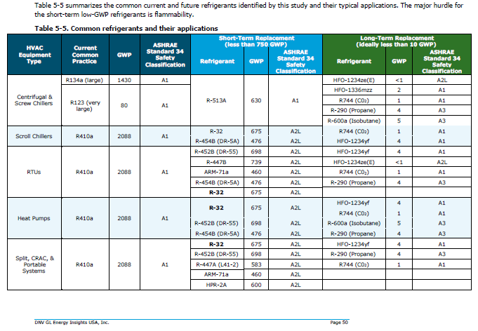
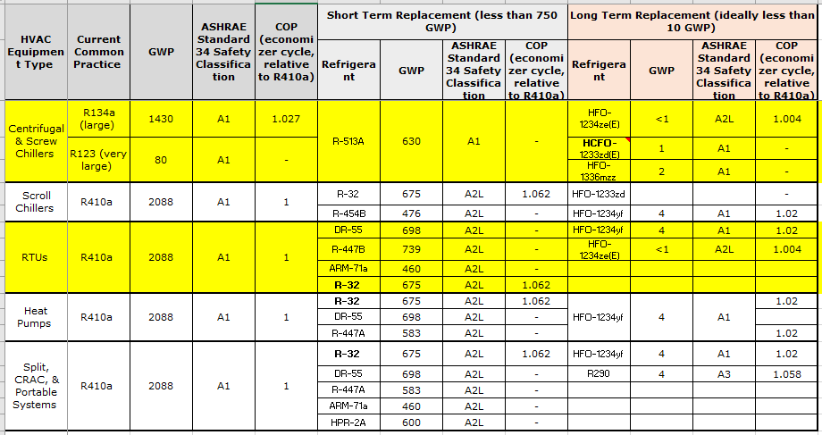
Refrigerant type research

Technology | CommonRefrigerantType | Other refrigerants in use | Source for Refrigerant Type | Refrigerant Charge (Lbs) | Unit | Source
Clothes Dryer, Residential - Heat Pump | R-134A | R-407C and R-410A | 1) https://www.choice.com.au/home-and-living/laundry-and-cleaning/dryers/articles/what-is-a-heat-pump-dryer 2) https://www.researchgate.net/publication/280446701_The_Design_of_Heat_Pump_Clothes_Dryer | 0.88 | per unit | From RACC calculator
Ductless HVAC, Residential - Heat Pump | R-410A |  | Table 5-5 CPUC. Proposed Defined Study – A Roadmap for Accelerating the Adoption of Low-Global Warming Potential HVAC Refrigerants, EM&V Group A. March 4, 2021 | 3.50 | Lbs per ton | Appendix B - California Facilities and Greenhouse Gas Emissions Inventory – High-Global Warming Potential Stationary - Source Refrigerant Management Program Research Division, Release Date October 23, 2009
Ductless HVAC, Residential - Window AC and Wall Furnace | R-410A |  |  | 1.54 | Lbs per ton | Assume lookup table refrigerant charge (1.54 lbs) corresponds to a 1.0 ton cooling capacity unit.
Central HVAC, Residential - Heat Pump | R-410A |  |  | 3.50 | Lbs per ton
Central HVAC, Residential - AC and Gas Furnace | R-410A |  |  | 3.20 | Lbs per ton | Based on the ratio of residential unitary charge of 7.5 and residential heat pump charge of 8.2 from RACC
Unitary Air-Cooled HVAC, Commercial - Heat Pump | R-410A |  |  | 3.50 | Lbs per ton
Unitary Air-Cooled HVAC, Commercial - AC and Gas Furnace | R-410A |  |  | 3.20 | Lbs per ton | Based on the ratio of residential unitary charge of 7.5 and residential heat pump charge of 8.2 from RACC
Pool Heater, Residential - Heat Pump | R-410A |  | AHRI database has 407 heat pump pool heaters listed and all have R-410a as the refrigerant type | 5.38 | per unit | https://hayward-pool-assets.com/assets/documents/pools/pdf/troubleshooting-guides/HeatPump-troubleshooting-guide.pdf
Water Heater, Residential - Heat Pump | R134A | R410A/R134a | 1. https://www.osti.gov/servlets/purl/1468227 2. “Refrigerants for Heat Pump Water Heaters, Report Annex 46 HPT-AN46-04”, December 2019, Compiled and Edited by Onno Kleefkens M.Sc. for IEA TCP-HPT, Published by Heat Pump Centre. 3. https://heatpumpingtechnologies.org/annex46/wp-content/uploads/sites/53/2020/10/hpt-an46-04-task-1-refrigerants-for-heat-pump-water-heaters-1.pdf | 2.40 | per unit | From RACC calculator
Large Water Heater, Multifamily/Commercial - Heat Pump | R134a |  |  | 0.19 | input capacity in kBtu/h (Cap-kBtuh). | https://www.lochinvar.com/products/commercial-heat-pump-water-heaters/air-source-heat-pump-water-heaters/ See table on the side for calculations
Water Heater, Commercial - Heat Pump | R-134a |  |  | 3.30 | per unit | https://www.lochinvar.com/lit/436248CHE-Spec-01.pdf
All HVAC, High efficiency Heat Pumps | R-410a |  |  | 3.50 | per unit | There is no published literature support chnages to refigerant charge with increase in effiency |  | https://www.lochinvar.com/products/commercial-heat-pump-water-heaters/air-source-heat-pump-water-heaters/
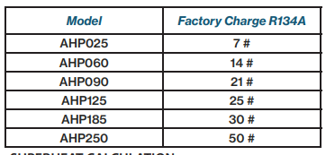
 |  |  |  |  |  |  |  |  | Model | Heating Capacity (BTUH) | Factor charge (lbs) | Lbs/Kbtuh
 |  |  |  |  |  |  |  |  | AHP025 | 27,450 | 7 | 0.26
 |  |  |  |  |  |  |  |  | AHP060 | 63,225 | 14 | 0.22
 |  |  |  |  |  |  |  |  | AHP090 | 110,725 | 21 | 0.19
 |  |  |  |  |  |  |  |  | AHP125 | 144,275 | 25 | 0.17
 |  |  |  |  |  |  |  |  | AHP185 | 224,675 | 30 | 0.13
 |  |  |  |  |  |  |  |  | AHP250 | 272,450 | 50 | 0.18
 |  |  |  |  |  |  |  |  | Average |  |  | 0.19

 |  |  |  |  |  |  | https://hayward-pool-assets.com/assets/documents/pools/pdf/troubleshooting-guides/HeatPump-troubleshooting-guide.pdf
 |  |  |  |  |  |  |  |  |  |  |  |  |  |  |  | From workpaper
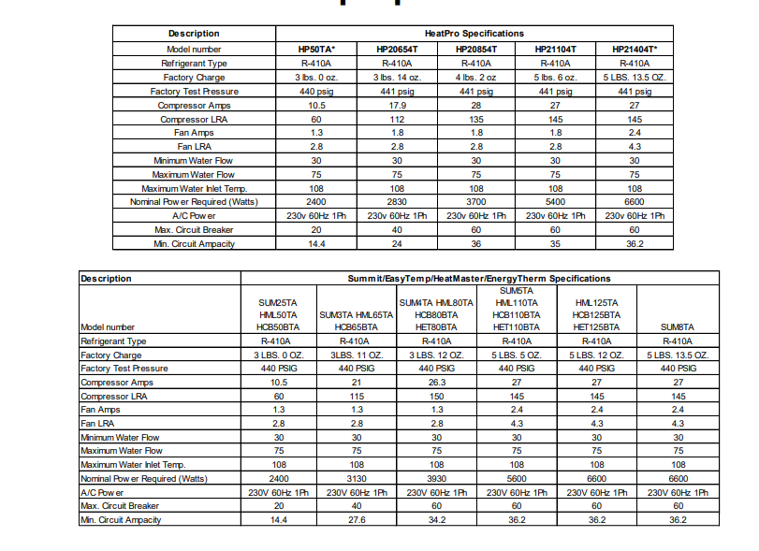
 |  |  |  |  |  |  |  |  |  |  |  |  | Model | BTUH | Refrigerant charge
 |  |  |  |  |  |  |  |  |  |  |  |  | HP50TA | 50,000 | 3
 |  |  |  |  |  |  |  |  |  |  |  |  | HP20654T | 65,000 | 3.875
 |  |  |  |  |  |  |  |  |  |  |  |  | HP20854T | 85,000 | 4.125
 |  |  |  |  |  |  |  |  |  |  |  |  | HP21104T | 110,000 | 5.375
 |  |  |  |  |  |  |  |  |  |  |  |  | HP21404T | 140,000 | 5.844

 |  |  |  |  |  |  | DNVGL latest study

