Cover Sheet
RACC Tool for Deemed Measure Packages
For Southern California Edison

Change log

Version | Date |  | Author |  | Changes
0 | 2021-07-29 |  | Solaris-Technical, LLC |  | Initial version, derived from SCE RACC Tool for Program Data
0.1 | 2021-08-26 |  | Solaris-Technical, LLC |  | Clarified source version of Refrigerant Calculator. Set GHG Adder to 2021 by default. Improved instructions & source references. Examples revised.

0.2 | 2021-10-07 |  | Solaris-Technical, LLC |  | Removed the mid-year discounting and discounting to the claim year so that the avoided costs for a normal replacement (NR) measure application type match the E3 Dashboard results
0.3 | 2021-11-03 |  | Solaris-Technical, LLC |  | 1) Using the avoided cost calculation approach of Normal Replacement (NR) for Accelerated Replacement (AR) measure application type as an interim approach, until CPUC's refrigerant avoided cost calculator (RACC) is revised to include measure application types 2) As directed by E-5152, Attachment A, IOUs funding proportions based average weighted average cost of capital (WACC) will be used for calculating avoided costs for statewide measures.
Workbook sheets color coding
 | SCE calculator to support deemed measures
 | CPUC 2021 ACC Refrigerant Calculator v1b.xlsx

Summary of Proposed Adjustments to CPUC 2021 ACC Refrigerant Calculator v1b.xlsx (CPUC calculator) 1) Created "Deemed Dashboard" to calculate refrigerant avoided costs for multiple devices and measures in the same sheet following the methodology in 2021 ACC Refrigerant Calculator (E3 Dashboard) 2) Performed secondary research for common refrigerant type and refrigerant charge in the same normalizing units as deemed measure packages. This information was not available in CPUC calculator. Users can use this information to support the user specified entries allowed in the CPUC calculator. 3) In the "Deemed Dashboard", measure application type was added as a user input. As an interim approach, the avoided costs of Accelerated Replacement (AR) measure application type will be calculated using the similar methodology of Normal Replacement (NR) measures but by considering pre-existing device type as the baseline for the EUL of the measure. In the future, it is recommended that CPUC calculator be updated to include measure application type and the avoided costs for AR measures be calculated based on the sequence of events. Refer to the future updates section below for details. 4) Using a statewide weighted average cost of capital (WACC) calculated using the IOUs funding proportions of statewide energy programs.

Background The Refrigerant Avoided Cost Calculation (RACC) Tool for measure packages (deemed) is based on the Refrigerant Calculator from E3's Avoided Cost Calculator bundle. The deemed calculator extends the tool to allow for multiple measures in one worksheet (with no macros), among other improvements and changes discussed in the section "Adjustments to E3 Dashboard". The tool is intended to be used to satisfy the requirement per Draft Resolution E-5152 (DEER 2023) that a measure package shall provide a RACC results workbook when required. Source versions GHG Adder - 2021 ACC Refrigerant Calculator v1b.xlsx Six-way output field names - As listed in CPUC Resolution E-5152 CET field names - As of August 2021 Deemed Dashboard The main entry point is the Measure Package Dashboard sheet. Here, the user will enter general inputs, followed by measure-specific inputs for each offering (i.e. each line item in the Measurement tab, assuming each offering has a uniquely matched measure application type).* The outputs are the six fields for NPV {Benefits, Costs} × {Pre, Std, MEA}, described in greater detail below. * Based on a review of several measures involving fuel substitution, it appears that the refrigerant inventory per normalizing unit, and correspondingly the emissions due to leakage, will not depend on any additional independent variables (BldgLoc, BldgType, BldgVint, DeliveryType) used to index e.g. Implementation and Energy ex ante tables. The measure application type, however, must be explicitly specified. General inputs: Device installation year - Year when the device is installed Discounted to Year - While this is typically the claim year, based on CPUC's guidance the avoided costs will be discounted to 2020 as in the E3 Dashboard. GWP Time Horizon - Choose whether to use 20-year or 100-year GWP values. The default is 100-year GWP value. WACC selection - used to lookup WACC for discounting/NPV. For statewide measure packages, this is locked to select weighted

Future Updates to CPUC's RACC tool 1) E3 Dashboard does not calculate the avoided costs for a measure (installed equipment in comparison to a baseline), but only for one piece of equipment during a normal service lifetime. The ACC documentation states, "It is crucial, however, to make sure that both the avoided and incurred costs are properly accounted for […]. It is crucial to account for the refrigerant leakage from both devices when cost effectiveness is being examined." Properly accounting for avoided and incurred costs requires a mindset which includes not only baseline and measure viewed as pieces of equipment, but also baseline and measure cases viewed as sequences of events. In the practice of analyzing EE measure baselines, the baseline sequence of events varies based on the measure application type (MAT) such as NR, AR, AOE, etc. In particular for the accelerated replacement (AR) MAT, the existing equipment is present in both the baseline and measure case sequence of events, but its removal and consequent end-of-life leakage emissions occur in different years between baseline and measure cases, which should indicate a differential in terms of NPV cost for that leakage event. Additionally with the AR MAT, there are differences between existing, standard, and measure case equipment when comparing the installation dates and service lifetimes. Therefore, the effort to gather the net of avoided and incurred costs requires an approach that goes beyond the equipment-level analysis that is provided in the RACC. The tables below present the sequence of events for NR and AR measures application type for a measure with EUL of 15 years and RUL of 5 years (for AR only). 2) The "Refrigerant Leakage" tab does not provide the output capacity details of the equipment. For example, the colling tonnage of stationary air-conditioning equipment is not available. This tab should be updated to include the output capacity. Further the tab should provide the sources

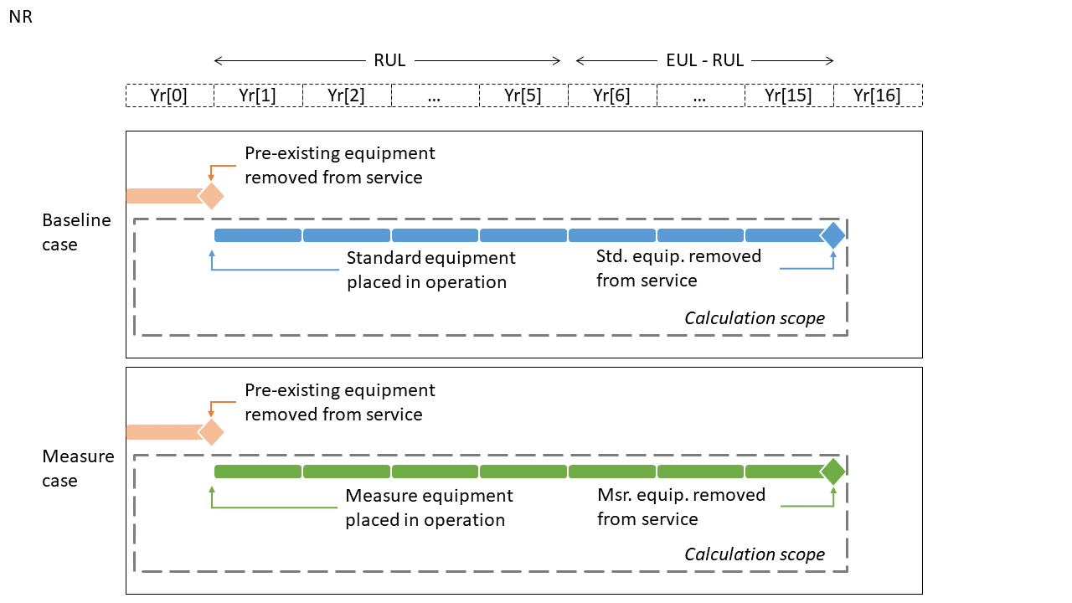
Timeline example with MAT=NR and EUL = 15

Calendar year | Definition |  | Significance |  |  | Costs discounted by |  | Leakage events, baseline case |  |  | Leakage events, measure case
 |  |  |  |  |  |  |  | Pre | Std | Msr | Pre | Std | Msr
Yr[1] | Claim year |  | Equipment first year in service |  |  | 1 year |  | EOL | Annual |  | EOL |  | Annual
… |  |  |  |  |  |  |  |  | Annual |  |  |  | Annual
Yr[5] | Claim year + 4 |  | 5th year in service |  |  | 5 years |  |  | Annual |  |  |  | Annual
Yr[6] | Claim year + 5 |  | 6th year in service |  |  | 6 years |  |  | Annual |  |  |  | Annual
… |  |  |  |  |  |  |  |  | Annual |  |  |  | Annual
Yr[15] | Claim year + 14 |  | Last year in service for measure case equipment |  |  | 15 years |  |  | Annual + EOL |  |  |  | Annual + EOL

X
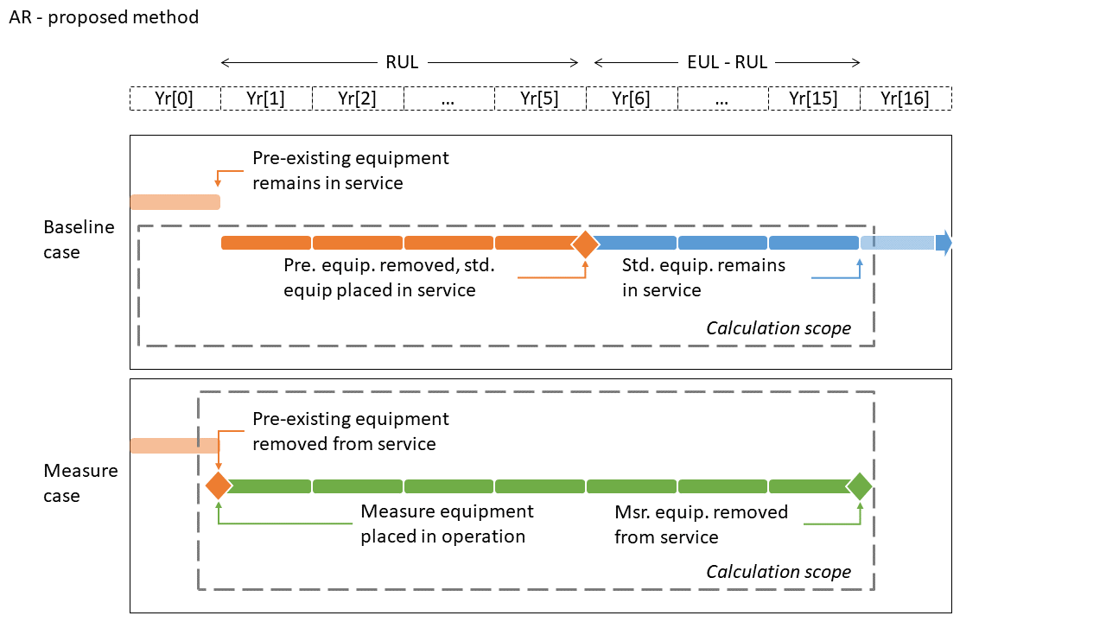
Timeline example with MAT=AR, RUL = 5, and EUL = 15

Calendar year | Definition |  | Significance |  |  | Costs discounted by |  | Leakage events, baseline case |  |  | Leakage events, measure case
 |  |  |  |  |  |  |  | Pre | Std | Msr | Pre | Std | Msr
Yr[0] | Claim year |  | Retiring pre-existing equipment |  |  | 0 years |  |  |  |  | EOL
Yr[1] | Claim year |  | Measure case equipment first year in service |  |  | 1 years |  | Annual |  |  |  |  | Annual
… |  |  |  |  |  |  |  | Annual |  |  |  |  | Annual
Yr[5] | Claim year + 4 |  | E.g. if RUL = 5, last year in service for existing equipment |  |  | 5 years |  | Annual + EOL |  |  |  |  | Annual
Yr[6] | Claim year + 5 |  | E.g. if RUL = 5, first year in service for standard practice baseline |  |  | 6 years |  |  | Annual |  |  |  | Annual
… |  |  |  |  |  |  |  |  | Annual |  |  |  | Annual
Yr[15] | Claim year + 14 |  | E.g. if EUL = 15, Last year in service for measure case equipment |  |  | 15 years |  |  | Annual |  |  |  | Annual +EOL

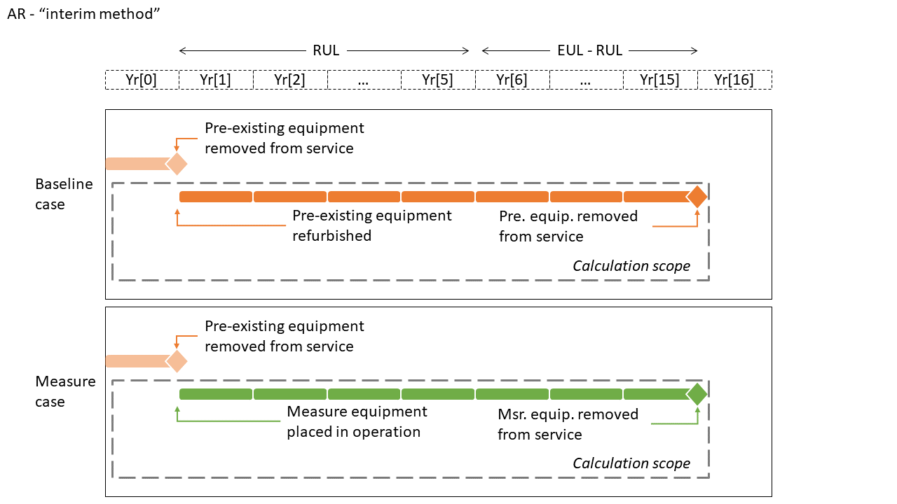
Timeline example with MAT=AR, RUL = 5, and EUL = 15 (interim method)

Calendar year | Definition |  | Significance |  |  | Costs discounted by |  | Leakage events, baseline case |  |  | Leakage events, measure case
 |  |  |  |  |  |  |  | Pre | Std | Msr | Pre | Std | Msr
Yr[0] | Claim year - 1 |  | Retiring pre-existing equipment |  |  | 0 years |  | Annual + EOL |  |  | Annual + EOL
Yr[1] | Claim year |  | Refurbished pre-existing equipment first year in service |  |  | 1 years |  | Annual |  |  |  |  | Annual
… |  |  |  |  |  |  |  | Annual |  |  |  |  | Annual
Yr[5] | Claim year + 4 |  | 5th year in service |  |  | 5 years |  | Annual |  |  |  |  | Annual
Yr[6] | Claim year + 5 |  | 6th year in service |  |  | 6 years |  | Annual |  |  |  |  | Annual
… |  |  |  |  |  |  |  | Annual |  |  |  |  | Annual
Yr[15] | Claim year + 14 |  | Last year in service for refurbished pre-existing equipment |  |  | 15 years |  | Annual + EOL |  |  |  |  | Annual +EOL

Six NPV output fields Six of the output fields from this tool are those required by Draft Resolution E-5152 (DEER2023) (from p. A-79, Table A-9-4).

Draft Resolution E-5152 Table A-9-4. New fields for refrigerant NPV avoided costs

Fieldname |  |  |  | Field description
RefrigerantNPVBenefits PreBaseline |  |  |  | NPV avoided costs calculated using the Refrigerant Avoided Cost Calculator for pre-existing baseline equipment
RefrigerantNPVBenefits StdBaseline |  |  |  | NPV avoided costs calculated using the Refrigerant Avoided Cost Calculator for standard baseline equipment
RefrigerantNPVBenefits Mea |  |  |  | NPV avoided costs calculated using the Refrigerant Avoided Cost Calculator for installed measure equipment
RefrigerantNPVCosts PreBaseline |  |  |  | NPV costs calculated using the Refrigerant Avoided Cost Calculator for pre-existing baseline equipment (should be entered as a positive value)
RefrigerantNPVCosts StdBaseline |  |  |  | NPV costs calculated using the Refrigerant Avoided Cost Calculator for standard baseline equipment (should be entered as a positive value)
RefrigerantNPVCosts Mea |  |  |  | NPV costs calculated using the Refrigerant Avoided Cost Calculator for installed measure equipment (should be entered as a positive value)

Interpretation and usage of new NPV fields The tool produces outputs consistent with the following intended use and meaning of the six new fields. Note that the E3 version of RACC is designed as a "dashboard" to evaluate a single NR or NC measure only, comparing a uniquely determined measure equipment to a baseline equipment that would be installed at the same time and remain in service for the same duration (EUL). However, the new NPV cost fields are labeled Pre, Std, and Mea. To retain consistency with the traditional labels Pre (for existing equipment), Std (for standard practice baseline equipment), and Msr (for measure case equipment), it is important to recognize that the 3-label scheme is not consistent with the simple one-or-the-other replacement scheme and equivalent timeline for baseline and measure cases. Rather, with the 3-label scheme, the "baseline" may be a combination of Pre and Std equipment over different years, depending on measure application type (MAT). In the case of NR or NC, the Pre label traditionally has no meaning (since above-existing costs or energy impacts of NR/NC are not relevant to any program goals or evaluation metrics). This workbook assumes the following interpretation for intended use of the labels. (1) Each RefrigerantNPVBenefits and RefrigerantNPVCosts field represents emissions impacts of one piece of equipment over a fixed duration of analysis, and not a relative comparison of measure and baseline. Consistent with the measure, "Pre" and "Std" labels represent the avoidance of baseline equipment in service, whereas the "Mea" label represent measure case equipment in service. (2) The duration of analysis is the EUL of the measure. (3) For clarity, the general equation for net RefrigerantNPVCosts (which may be net negative or positive) is: RefrigerantNPVCostsNet = RefrigerantNPVCostsMea - RefrigerantNPVCostsPreBaseline - RefrigerantNPVCostsStdBaseline

Interpretation of NPV labels

If MeasAppType is … |  | And label is … |  | Then NPV includes … |  |  | And refrigerant NPV shows:
NR or NC |  | Pre |  | Excluded(a) |  |  | N/A
 |  | Std |  | Annual leakage (EUL years) and end-of-life leakage of standard equipment. |  |  | Value of avoidance of leakage during years in service
 |  | Mea |  | Annual leakage (EUL years) and end-of-life leakage of measure equipment. |  |  | Value of leakage during years in service
AR |  | Pre |  | Annual leakage and end-of-life leakage of existing equipment previously installed for EUL of the measure(b) |  |  | Value of avoidance of leakage during years in service
 |  | Std |  | Excluded for the interim approach |  |  | N/A
 |  | Mea |  | EOL leakage of existing. Annual leakage (EUL years) and EOL leakage of measure equipment. |  |  | Value of leakage during years in service

(a) Existing equipment ("Pre") is excluded from consideration for normal replacement and not applicable to new construction.
(b) This assumption is only for the interim approach until the CPUC RACC is updated to include measure application types

CET output fields Two of the output fields from this tool are those required by CET, using the naming in the CET_GOOD.2021-07-14 example input file: UnitRefrigCosts UnitRefrigBens The tool populates these fields following these assumptions: (1) This equation relates the net costs to the output fields: RefrigerantNPVCostsNet = UnitRefrigCosts - UnitRefrigBens (2) Only one of the two fields will be populated with a non-zero, positive value, depending on whether the net refrigerant costs are positive or negative for the measure.

Password |  | RACC2021

Refrig Type Research
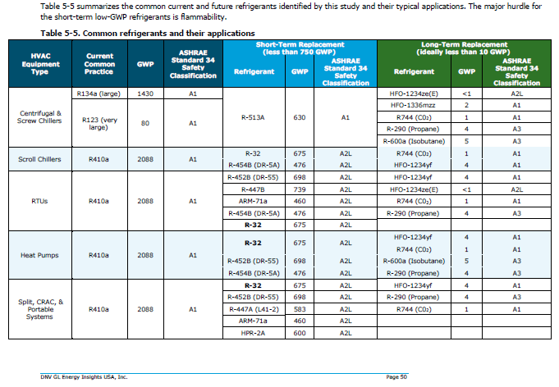
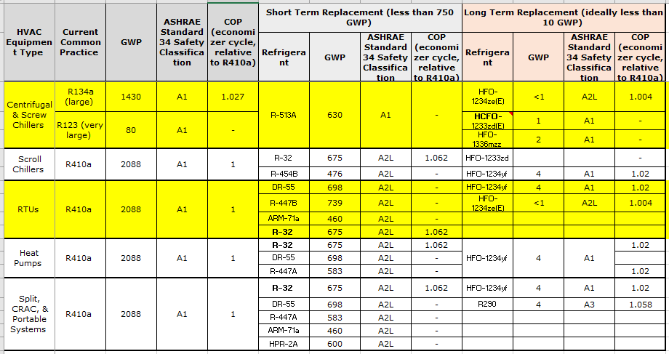
Refrigerant type research

Technology | CommonRefrigerantType | Other refrigerants in use | Source for Refrigerant Type | Refrigerant Charge (Lbs) | Unit | Source
Clothes Dryer, Residential - Heat Pump | R-134A | R-407C and R-410A | 1) https://www.choice.com.au/home-and-living/laundry-and-cleaning/dryers/articles/what-is-a-heat-pump-dryer 2) https://www.researchgate.net/publication/280446701_The_Design_of_Heat_Pump_Clothes_Dryer | 0.88 | per unit | From RACC calculator
Ductless HVAC, Residential - Heat Pump | R-410A |  | Table 5-5 CPUC. Proposed Defined Study – A Roadmap for Accelerating the Adoption of Low-Global Warming Potential HVAC Refrigerants, EM&V Group A. March 4, 2021 | 3.5 | Lbs per ton | Appendix B - California Facilities and Greenhouse Gas Emissions Inventory – High-Global Warming Potential Stationary - Source Refrigerant Management Program Research Division, Release Date October 23, 2009
Ductless HVAC, Residential - Window AC and Wall Furnace | R-410A |  |  | 3.2 | Lbs per ton | Based on the ratio of residential unitary charge of 7.5 and residential heat pump charge of 8.2 from RACC
Central HVAC, Residential - Heat Pump | R-410A |  |  | 3.5 | Lbs per ton
Central HVAC, Residential - AC and Gas Furnace | R-410A |  |  | 3.2 | Lbs per ton
Unitary Air-Cooled HVAC, Commercial - Heat Pump | R-410A |  |  | 3.5 | Lbs per ton
Unitary Air-Cooled HVAC, Commercial - AC and Gas Furnace | R-410A |  |  | 3.2 | Lbs per ton
Pool Heater, Residential - Heat Pump | R-410A |  | AHRI database has 407 heat pump pool heaters listed and all have R-410a as the refrigerant type | 5.38 | per unit | https://hayward-pool-assets.com/assets/documents/pools/pdf/troubleshooting-guides/HeatPump-troubleshooting-guide.pdf
Water Heater, Residential - Heat Pump | R134A | R410A/R134a | 1. https://www.osti.gov/servlets/purl/1468227 2. “Refrigerants for Heat Pump Water Heaters, Report Annex 46 HPT-AN46-04”, December 2019, Compiled and Edited by Onno Kleefkens M.Sc. for IEA TCP-HPT, Published by Heat Pump Centre. 3. https://heatpumpingtechnologies.org/annex46/wp-content/uploads/sites/53/2020/10/hpt-an46-04-task-1-refrigerants-for-heat-pump-water-heaters-1.pdf | 2.40 | per unit | From RACC calculator
Large Water Heater, Multifamily/Commercial - Heat Pump | R134a |  |  | 0.19 | input capacity in kBtu/h (Cap-kBtuh). | https://www.lochinvar.com/products/commercial-heat-pump-water-heaters/air-source-heat-pump-water-heaters/ See table on the side for calculations
Water Heater, Commercial - Heat Pump | R-134a |  |  | 3.3 | per unit | https://www.lochinvar.com/lit/436248CHE-Spec-01.pdf
All HVAC, High efficiency Heat Pumps | R-410a |  |  | 3.5 | per unit | There is no published literature support chnages to refigerant charge with increase in effiency |  | https://www.lochinvar.com/products/commercial-heat-pump-water-heaters/air-source-heat-pump-water-heaters/
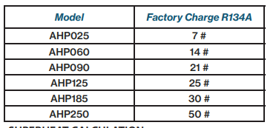
 |  |  |  |  |  |  |  |  | Model | Heating Capacity (BTUH) | Factor charge (lbs) | Lbs/Kbtuh
 |  |  |  |  |  |  |  |  | AHP025 | 27,450 | 7 | 0.26
 |  |  |  |  |  |  |  |  | AHP060 | 63,225 | 14 | 0.22
 |  |  |  |  |  |  |  |  | AHP090 | 110,725 | 21 | 0.19
 |  |  |  |  |  |  |  |  | AHP125 | 144,275 | 25 | 0.17
 |  |  |  |  |  |  |  |  | AHP185 | 224,675 | 30 | 0.13
 |  |  |  |  |  |  |  |  | AHP250 | 272,450 | 50 | 0.18
 |  |  |  |  |  |  |  |  | Average |  |  | 0.19

 |  |  |  |  |  |  | https://hayward-pool-assets.com/assets/documents/pools/pdf/troubleshooting-guides/HeatPump-troubleshooting-guide.pdf
 |  |  |  |  |  |  |  |  |  |  |  |  |  |  |  | From workpaper
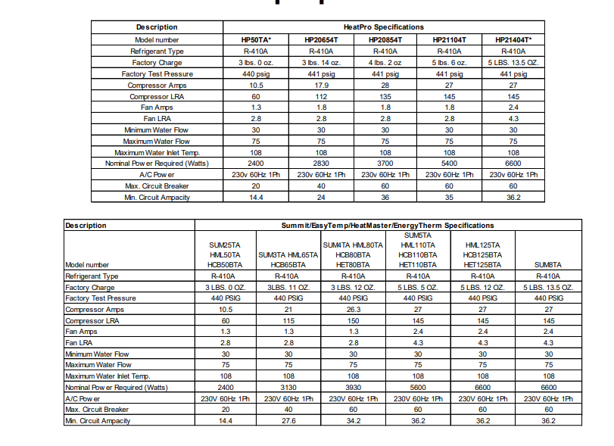
 |  |  |  |  |  |  |  |  |  |  |  |  | Model | BTUH | Refrigerant charge
 |  |  |  |  |  |  |  |  |  |  |  |  | HP50TA | 50,000 | 3
 |  |  |  |  |  |  |  |  |  |  |  |  | HP20654T | 65,000 | 3.875
 |  |  |  |  |  |  |  |  |  |  |  |  | HP20854T | 85,000 | 4.125
 |  |  |  |  |  |  |  |  |  |  |  |  | HP21104T | 110,000 | 5.375
 |  |  |  |  |  |  |  |  |  |  |  |  | HP21404T | 140,000 | 5.844

 |  |  |  |  |  |  | DNVGL latest study

WACC
 |  |  | From D.19-12-021, pages 63-64, Table 1

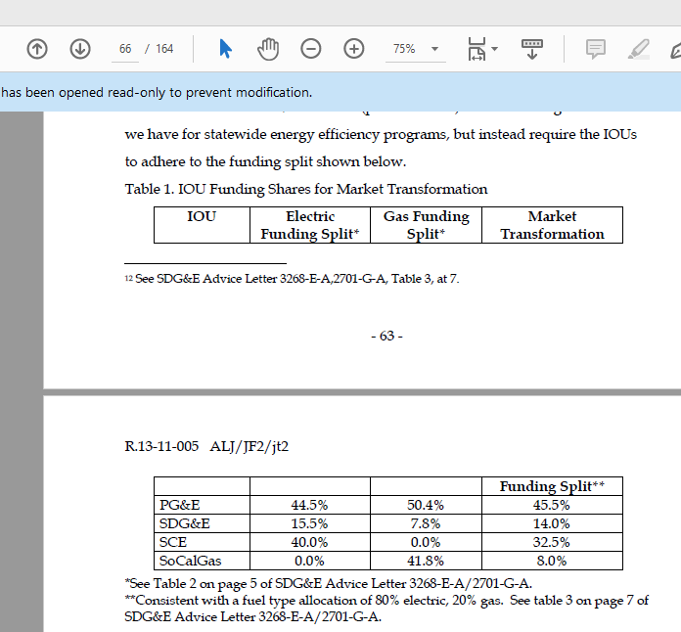
 | IOU WACC (Nominal, after-tax) | Electric Funding Split
PG&E | 7.81% | 44.50%
SCE | 7.68% | 40.00%
SDG&E | 7.55% | 15.50%
Statewide | 7.72%

