Equation sources
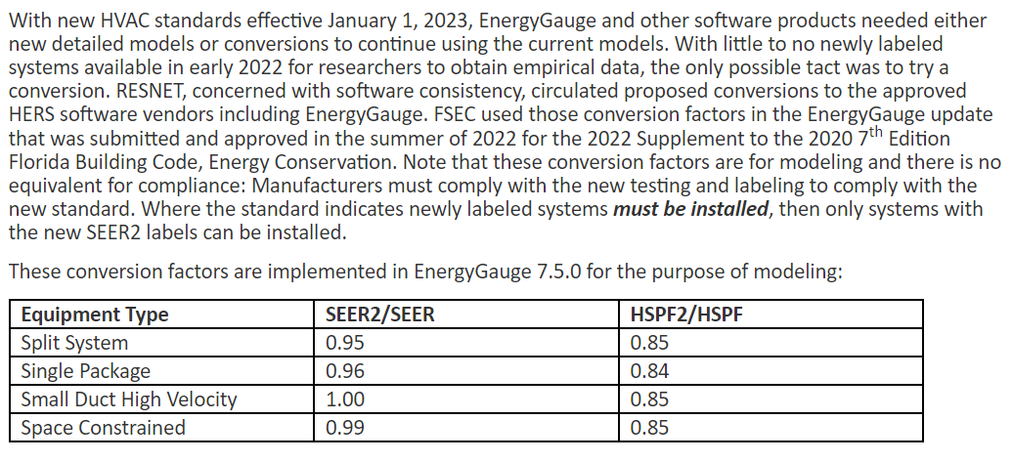
 | Equation | Source
EER to COP | COP = EER / 3.41214 | definitions of COP and EER
COP to EIR | EIR = 1 / COP | definitions of COP and EIR

Note these equations are appropriate for single-speed units only
SEER to EER if SEER <= 26 | EER = −0.02 × SEER² + 1.12 × SEER | Wassmer, M. (2003). A Component-Based Model for Residential Air Conditioner and Heat Pump Energy Calculations. Masters Thesis, University of Colorado at Boulder (cited in Building America House Simulation Protocols)
else | EER = 15.6 | Dominion TRM 2023, DNV

HSPF to COP if HSPF <=11.7 | COP = −0.0255 × HSPF² + 0.6239 × HSPF | Wassmer, M. (2003). A Component-Based Model for Residential Air Conditioner and Heat Pump Energy Calculations. Masters Thesis, University of Colorado at Boulder
else | COP = HSPF/3.412 | Dominion TRM 2023, DNV

SEER to SEER2 AC system | SEER2 = 0.974 (SEER) - 0.16 | Solaris Technical, LLC. 2022. "Crosswalk Methods for HVAC Efficiency Test Ratings via Appendix M to Appendix M1." Prepared for San Diego Gas and Electric (SDG&E) & Southern California Edison (SCE). November 2.
SEER2 to SEER AC system | SEER = 1.0267 (SEER2) + 0.164 | inverse of the above equation

SEER to SEER2 HP system | SEER2 = 0.623 (SEER) + 5.342 | Solaris Technical, LLC. 2022. "Crosswalk Methods for HVAC Efficiency Test Ratings via Appendix M to Appendix M1." Prepared for San Diego Gas and Electric (SDG&E) & Southern California Edison (SCE). November 2.
SEER2 to SEER HP system | SEER = 1.605 (SEER2) - 8.575 | inverse of the above equation

 |  | Alternative method from FSEC that also includes HSPF conversions | https://support.energygauge.com/support/solutions/articles/12000091241-modeling-of-seer2-hspf2-and-how-it-compares-to-seer-hspf

COP_calc
 |  |  |  |  |  | EER = −0.02 × SEER² + 1.12 × SEER |  |  |  | approximation used for part load COP from SEER |  |  |  | approximation COP = HSPF x 0.293
 |  | Measure Tiers |  | (refer to CDU folder for Brushless Fan) |  |  |  |  |  |  |  |  |  |  |  |  |  | This equation was not used, though it should have been. Use this for the next revision of this measure.

Std Baseline Consideration | system type based on std cases | SEER | Pre/Std/Msr | # of Fan speed | SEER | EER | EER (full load minimum) | EER (full load AHRI) | COP1 (full load) | COP2 (if multi-speed, based on SEER) | HSPF (if Heat Pump) | AHRI HSPF | HSPF_final | equivalent heating COP | heating COP1 | heating COP2 (if multi-speed) | Note
 |  | SEER 13 | Pre | 1 | 13 | 11.2 | 11 | 11.08 | 3.23 | N/A | 7 |  | 7.0 | 2.1 | 2.05 | N/A | Thisis the pre-existing baseline for all equipment | 3.09
for this level, SEER 13 can be used for AC | Pkg | SEER 14 | Std | 1 | 14 | 11.8 | 11 |  | 3.23 | N/A | 8 |  | 8.0 | 2.3 | 2.34 | N/A | This is the standard baseline for packaged systems, all sizes | 3.33
 | Splt_45to65 | SEER 14.5 | Std | 1 | 14.5 | 12.0 | 11.7 |  | 3.43 | N/A | 8.2 |  | 8.2 | 2.4 | 2.40 | N/A | This is the standard baseine for split systems 45-65 kbtuh | 3.37
 | Splt_lt45 | SEER 15 | Std | 1 | 15 | 12.3 | 12.2 |  | 3.58 | N/A | 8.8 |  | 8.8 | 2.6 | 2.58 | N/A | This is the standard baseline for split systems < 45kbtuh | 3.48
 |  | SEER 16 | Msr | 2 | 16 | 12.8 | 12.2 |  | 3.58 | 3.75 | 9 |  | 9.0 | 2.6 | 2.64 | 2.64 |  | 3.51
 |  | SEER 17 | Msr | 2 | 17 | 13.3 | 12.2 |  | 3.58 | 3.89 | 9.4 | 9.331 | 9.4 | 2.8 | 2.75 | 2.75 |  | 3.57
 |  | SEER 18 | Msr | 2 | 18 | 13.7 | 12.2 | 12.1 | 3.58 | 4.01 | 9.7 | 9.584 | 9.5 | 2.8 | 2.79 | 2.79 |  | 3.58
 |  | SEER 19 | Msr | 2 | 19 | 14.1 | 12.2 | 12.7 | 3.72 | 4.12 |  | 9.452 | 9.5 | 2.8 | 2.79 | 2.79 |  | 3.58
 |  | SEER 20 | Msr | 2 | 20 | 14.4 | 12.2 | 13.04 | 3.82 | 4.22 |  | 9.957 | 10.0 | 2.9 | 2.92 | 2.92 |  | 3.64
 |  | SEER 21 | Msr | 2 | 21 | 14.7 | 12.2 | 13.43 | 3.94 | 4.31 |  | 10.549 | 10.5 | 3.1 | 3.09 | 3.09 |  | 3.69

This sheet was used to develop the modeling runs for the residential SEER rated measure. (SWHC049). The more exact equation should have been used for the HSPF to COP conversion.
 |  | Cases setup - the red values changed

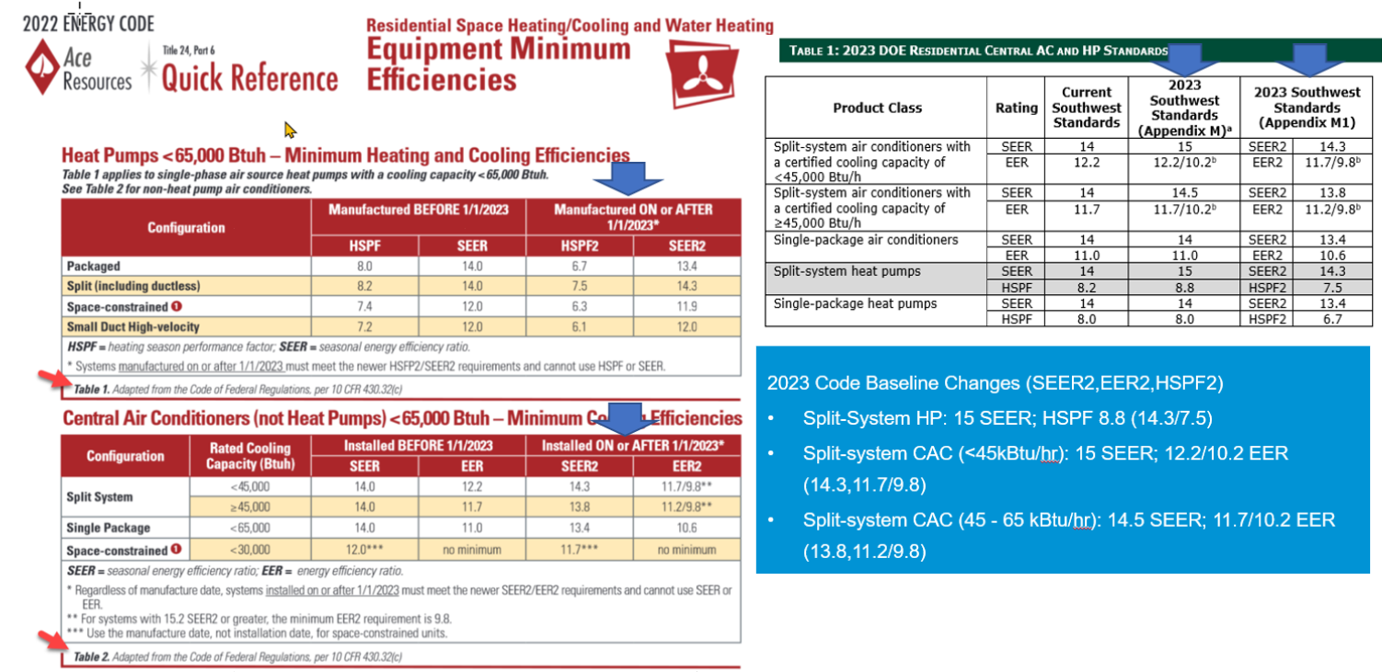
 | Heat pump case name | AC Case Name | :vfd_curve_name | :supplyfan_total_eff | :motor_eff |  | :cooling_coil_cop | :coil_type | :cooling_coil_cop2 | :heating_coil_cop (if HP)
 | HSPF_7p0_SEER_13_Pre | SEER_13_Pre |  | 0.12 | 0.24 |  | 3.23 |  |  | 2.05
 | HSPF_8p0_SEER_14_Std | SEER_14_Std |  | 0.12 | 0.24 |  | 3.23 |  |  | 2.34 | Only run this for heat pumps, because it is the same as the SEER_13_Pre run for Acs
 | HSPF_8p2_SEER_14.5_Std | SEER_14.5_Std |  | 0.12 | 0.24 |  | 3.43 |  |  | 2.40
 | HSPF_8p8_SEER_15_Std | SEER_15_Std |  | 0.12 | 0.24 |  | 3.58 |  |  | 2.58
 | HSPF_9p0_SEER_16_Msr | SEER_16_Msr | VFD_Fan_Curve | 0.25 | 0.5 |  | 3.58 | multispeed | 3.75 | 2.64
 | HSPF_9p4_SEER_17_Msr | SEER_17_Msr | VFD_Fan_Curve | 0.25 | 0.5 |  | 3.58 | multispeed | 3.89 | 2.75
 | HSPF_9p5_SEER_18_Msr | SEER_18_Msr | VFD_Fan_Curve | 0.25 | 0.5 |  | 3.58 | multispeed | 4.01 | 2.79
 | HSPF_9p5_SEER_19_Msr | SEER_19_Msr | VFD_Fan_Curve | 0.25 | 0.5 |  | 3.72 | multispeed | 4.12 | 2.79
 | HSPF_10p0_SEER_20_Msr | SEER_20_Msr | VFD_Fan_Curve | 0.25 | 0.5 |  | 3.82 | multispeed | 4.22 | 2.92
 | HSPF_10p5_SEER_21_Msr | SEER_21_Msr | VFD_Fan_Curve | 0.25 | 0.5 |  | 3.94 | multispeed | 4.31 | 3.09

 |  | OLD RUNS
 |  | Case Name | :vfd_curve_name | :supplyfan_total_eff | :motor_eff |  | :cooling_coil_cop | :coil_type | :heating_coil_cop (if HP)
 |  | SEER_13_Pre |  | 0.12 | 0.24 |  | 3.28 |  | 2.344
 |  | SEER_15_Std |  | 0.12 | 0.24 |  | 3.61 |  | 2.5784
 |  | SEER_16_Msr | VFD_Fan_Curve | 0.25 | 0.5 |  | 3.75 | multispeed | 2.637
 |  | SEER_17_Msr | VFD_Fan_Curve | 0.25 | 0.5 |  | 3.89 | multispeed | 2.7542
 |  | SEER_18_Msr | VFD_Fan_Curve | 0.25 | 0.5 |  | 4.01 | multispeed | 2.7887645907
 |  | SEER_19_Msr | VFD_Fan_Curve | 0.25 | 0.5 |  | 4.12 | multispeed | 2.7887645907
 |  | SEER_20_Msr | VFD_Fan_Curve | 0.25 | 0.5 |  | 4.22 | multispeed | 2.9173635071
 |  | SEER_21_Msr | VFD_Fan_Curve | 0.25 | 0.5 |  | 4.31 | multispeed | 3.090746789

Cooling
Source: Cutler, D., J. Winkler, N. Kruis, C. Christtensen, M. Brandemuehl. (2013) Improved Modeling of Residential Air Conditioners and Heat Pumps for Energy Calculations. NREL.
https://www.nrel.gov/docs/fy13osti/56354.pdf
Cooling Curve | f(T) curve form

Capacity as a function of temperature (Table 18 column 1)
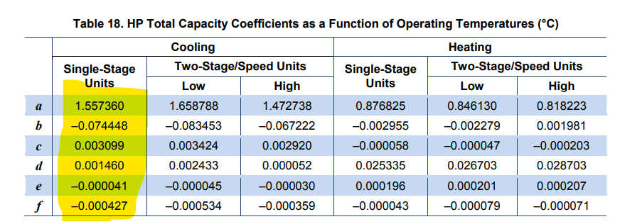

 | f(FF) curve form

Capacity as a function of flow fraction (Table 14 column 1)

 |  | Plot curve from Table 18 and Table 19, Temperature on X-axis
 |  | also for EIR, plot the inverse (1/EIR = COP)

 |  |  | a | b | c | d | e | f
 |  | Cap_fT | 1.55736 | -0.074448 | 0.003099 | 0.00146 | -0.000041 | -0.00042
 |  | EIR_fT | -0.350448 | 0.11681 | -0.0034 | -0.001226 | 0.000601 | -0.000467

 |  | Degree C |  | Degree F |  | Cooling
 |  | T_EWB | T_ODB | T_EWB | T_ODB | Capacity coeff | EIR coeff | COP
EIR as a function of temperature (Table 19 column 1) |  | 14 | 24 | 57.2 | 75.2 | 0.992796 | 0.778332
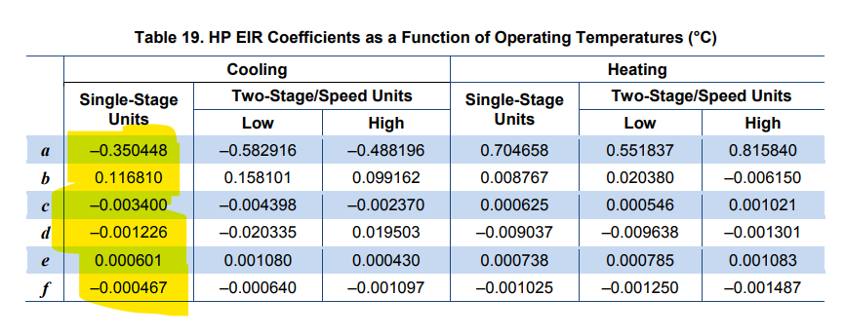
 |  | 17 | 24 | 62.6 | 75.2 | 1.027419 | 0.778938
 |  | 19 | 24 | 66.2 | 75.2 | 1.081491 | 0.745342
 |  | 22 | 24 | 71.6 | 75.2 | 1.209084 | 0.643948
 |  | 14 | 35 | 57.2 | 95 | 0.917567 | 1.082977
 |  | 17 | 35 | 62.6 | 95 | 0.93833 | 1.068172
 |  | 19 | 35 | 66.2 | 95 | 0.983162 | 1.024302
 |  | 22 | 35 | 71.6 | 95 | 1.096895 | 0.907497
 |  | 14 | 40 | 57.2 | 104 | 0.880092 | 1.269532
 |  | 17 | 40 | 62.6 | 104 | 0.894555 | 1.247722
 |  | 19 | 40 | 66.2 | 104 | 0.935187 | 1.199182
 |  | 22 | 40 | 71.6 | 104 | 1.04262 | 1.075372

Cooling Capacity Coeff.
EIR Coeff.
EIR as a function of flow fraction (Table 15 column 1)
 |  | Degree C |  | Degree F |  | Cooling
 |  | T_ODB | T_EWB | T_ODB | T_EWB | Capacity coeff | EIR coeff | COP
 |  | 24 | 14 | 75.2 | 57.2 | 0.992796 | 0.778332
 |  | 35 | 14 | 95 | 57.2 | 0.917567 | 1.082977
 |  | 40 | 14 | 104 | 57.2 | 0.880092 | 1.269532
 |  | 45 | 14 | 113 | 57.2 | 0.840567 | 1.486137
 |  | 24 | 17 | 75.2 | 62.6 | 1.027419 | 0.778938
 |  | 35 | 17 | 95 | 62.6 | 0.93833 | 1.068172
 |  | 40 | 17 | 104 | 62.6 | 0.894555 | 1.247722
 |  | 45 | 17 | 113 | 62.6 | 0.84873 | 1.457322
 |  | 24 | 19 | 75.2 | 66.2 | 1.081491 | 0.745342
 |  | 35 | 19 | 95 | 66.2 | 0.983162 | 1.024302
 |  | 40 | 19 | 104 | 66.2 | 0.935187 | 1.199182
 |  | 45 | 19 | 113 | 66.2 | 0.885162 | 1.404112
 |  | 24 | 22 | 75.2 | 71.6 | 1.209084 | 0.643948
 |  | 35 | 22 | 95 | 71.6 | 1.096895 | 0.907497
 |  | 40 | 22 | 104 | 71.6 | 1.04262 | 1.075372
 |  | 45 | 22 | 113 | 71.6 | 0.986295 | 1.273297

Heating
Source: Cutler, D., J. Winkler, N. Kruis, C. Christtensen, M. Brandemuehl. (2013) Improved Modeling of Residential Air Conditioners and Heat Pumps for Energy Calculations. NREL.
https://www.nrel.gov/docs/fy13osti/56354.pdf
Heating Curve

Capacity as a function of temperature (Table 18 column 4)
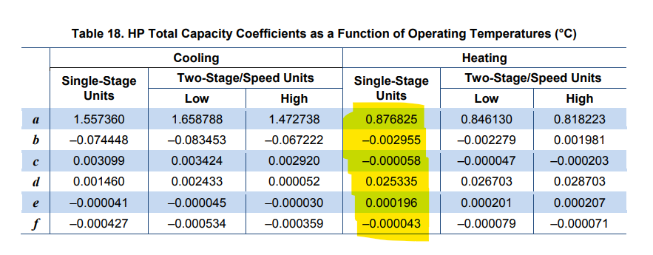

Capacity as a function of flow fraction (Table 14 column 4)

EIR as a function of temperature (Table 19 column 4)
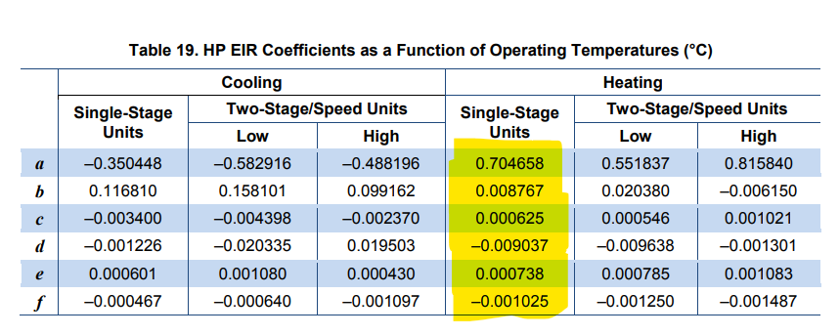

EIR as a function of flow fraction (Table 15 column 4)

SEER_&_COPs
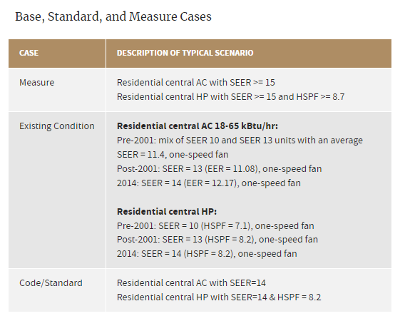
Measure specifications | This was an attempt to use python code built to generate SEER from EER to iteratively find EER from SEER. It did not work.
 | Table for base/measure case parameters |  |  |  |  |  | (does this need multi too? For multi speed?)
 | Tech Case | Pre/Std/Msr | # of Fan speed | SEER | COP1 | COP2 (if multi-speed) | HSPF (if Heat Pump) | heating COP1 | heating COP2
 | SEER 10 | Pre | 1 | 10 | 2.9308 | N/A | 7.1
 | SEER 11 | Pre | 1 | 11 | 3.2239 | N/A
 | SEER 12 | Pre | 1 | 12 | 3.5170 | N/A
 | SEER 13 | Pre | 1 | 13 | 3.8101 | N/A | 8.2
 | SEER 14 | Std | 1 | 14 | 4.1032 | N/A | 8.2
 | SEER 15 | Msr | 1 | 15 | 4.3962 | N/A | 8.7
 | SEER 16 | Msr | 2 | 16 | 3.8570 | 4.7107 | 9
 | SEER 17 | Msr | 2 | 17 | 4.1584 | 5.0207 | 9.4
 | SEER 18 | Msr | 2 | 18 | 4.4630 | 5.3336 | 9.7
 | SEER 19 | Msr | 2 | 19 | 4.7709 | 5.6495
 | SEER 20 | Msr | 2 | 20 | 5.0820 | 5.9684
 | SEER 21 | Msr | 2 | 21 | 5.3964 | 6.2904

 |  |  |  |  | What is a good COP range? |  | lowest, 3
 |  |  |  |  |  |  | highest 4.5

 |  |  |  |  | starting value 1 | SEER / 3.412 ?
 |  |  |  |  | starting value 2 | 1 + (SEER / 3.412) ?

 |  |  |  |  | COP pairs possible based on Newton's method
 |  |  |  |  | (Bigladder Python pacakge resdx-master)
 |  |  |  | Target SEER | starting value 1 | starting value 2 | COP 1 | COP 2
 |  |  |  | 16 | 4.6893318 | 5.6893318 | 3.8570238 | 4.71073106
 |  |  |  | 17 | 4.9824150 | 5.9824150 | 4.1584107 | 5.02067296
 |  |  |  | 18 | 5.2754982 | 6.2754982 | 4.4630438 | 5.33357927
 |  |  |  | 19 | 5.5685815 | 6.5685815 | 4.77091378 | 5.64947695
 |  |  |  | 20 | 5.8616647 | 6.8616647 | 5.08202011 | 5.96839687
 |  |  |  | 21 | 6.1547479 | 7.1547479 | 5.39636963 | 6.29037301

