Information
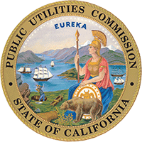

Water-Energy Calculator 2.0
Version 2.0.4

Overview
This tool was developed for the California Public Utilities Commission by Pacific Institute and SBW Consulting to estimate the embedded energy savings associated with water conservation and efficiency measures. Additional information regarding the methodology and data sources can be found in the accompanying report. An earlier version of this tool was developed by Navigant Consulting in 2014. This tool does not estimate water savings or direct energy savings; rather, it estimates the energy saved due to water efficiency measures that reduce the amount of water extracted, conveyed, treated, and delivered to the customer as well as the wastewater collected, treated, and discharged. As such, it is intended to complement other tools that estimate water savings and direct energy savings and evaluate measure cost effectiveness.

Uses and Limitations
Outputs are estimates based on local and regional data for California. As a result, this tool may not be appropriate for use outside of California. Embedded energy savings in this tool are only estimates; actual embedded energy savings may vary based on site-specific factors.

Instructions
Please refer to the User Manual for detailed instructions. The following is a quick start guide:
1. Provide measure information on the “Measure Inputs” tab. 2. Review the default assumptions on the “Water System Inputs” tab and adjust as needed. Values that differ from the defaults provided will be appended with an asterisk (*). 3. Results are updated automatically. There is no need to hit a Run or Start button. 4. Detailed calculations are shown on the “Calculations” tab, and a summary is provided on the “Output Table” tab.

Legend
Tab Colors
 | User Guidance and Information
 | User Input Required
 | Model Outputs
 | Data and Default Assumptions
 | Reference Material

Cell Formatting
 | User Input
 | Autofilled or Calculated Values
 | Default Value (Autofilled)
 | User Override

Hydrologic Regions
California's Hydrologic Regions

 | California has 10 hydrologic regions, as shown in the image below. Please visit |  |  | https://water.ca.gov/ | and
 | https://indicators.ucdavis.edu/water/regions |  | for more information.

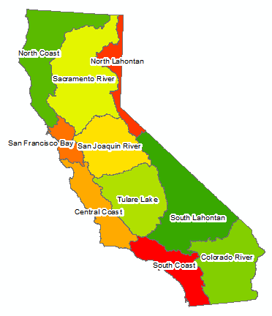

 | Source: | https://indicators.ucdavis.edu/water/regions

